Case 5-1 Original
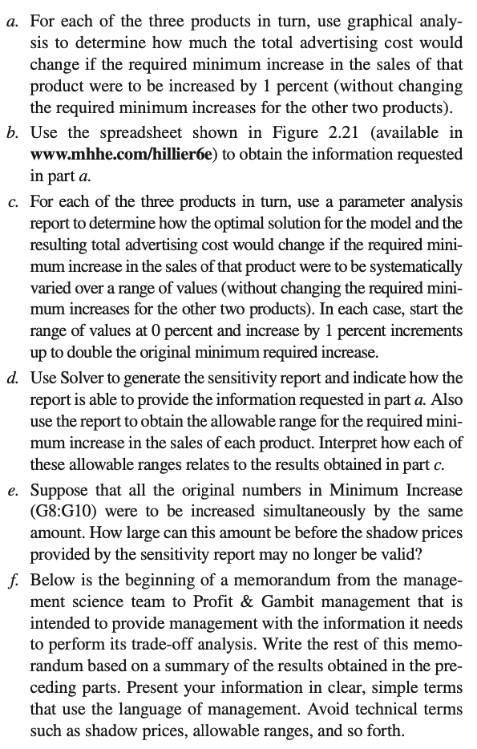
Profit & Gambit Co. Advertising-Mix Problem
 |  |  |  |  |  |  | Skip a
 |  | Television | Print Media
 | Unit Cost ($millions) | 1 | 2

 |  |  |  | Increased |  | Minimum
 |  | Increase in Sales per Unit of Advertising |  | Sales |  | Increase
 | Stain Remover | 0% | 1% | 3% | >= | 3%
 | Liquid Detergent | 3% | 2% | 18% | >= | 18%
 | Powder Detergent | -1% | 4% | 8% | >= | 4%

 |  |  |  |  |  | Total Cost
 |  | Television | Print Media |  |  | ($millions)
 | Advertising Units | 4 | 3 |  |  | 10

Case 5-1c R
Minimum Increase (Stain Remover) | Television | Print Media | Total Cost | Incremental Cost
0% | 4.571 | 2.143 | 8.857
1% | 4.571 | 2.143 | 8.857 | 0.000
2% | 4.571 | 2.143 | 8.857 | 0.000
3% | 4.000 | 3.000 | 10.000 | 1.143
4% | 3.333 | 4.000 | 11.333 | 1.333
5% | 2.667 | 5.000 | 12.667 | 1.333
6% | 2.000 | 6.000 | 14.000 | 1.333
Solve this Problem in R

Minimum Increase (Liquid Detergent) | Television | Print Media | Total Cost | Incremental Cost
0% | 0.000 | 3.000 | 6.000
1% | 0.000 | 3.000 | 6.000 | 0.000
2% | 0.000 | 3.000 | 6.000 | 0.000
3% | 0.000 | 3.000 | 6.000 | 0.000
4% | 0.000 | 3.000 | 6.000 | 0.000
5% | 0.000 | 3.000 | 6.000 | 0.000
6% | 0.000 | 3.000 | 6.000 | 0.000
7% | 0.333 | 3.000 | 6.333 | 0.333
8% | 0.667 | 3.000 | 6.667 | 0.333
9% | 1.000 | 3.000 | 7.000 | 0.333
10% | 1.333 | 3.000 | 7.333 | 0.333
11% | 1.667 | 3.000 | 7.667 | 0.333
12% | 2.000 | 3.000 | 8.000 | 0.333
13% | 2.333 | 3.000 | 8.333 | 0.333
14% | 2.667 | 3.000 | 8.667 | 0.333
15% | 3.000 | 3.000 | 9.000 | 0.333
16% | 3.333 | 3.000 | 9.333 | 0.333
17% | 3.667 | 3.000 | 9.667 | 0.333
18% | 4.000 | 3.000 | 10.000 | 0.333
19% | 4.333 | 3.000 | 10.333 | 0.333
20% | 4.667 | 3.000 | 10.667 | 0.333
21% | 5.000 | 3.000 | 11.000 | 0.333
22% | 5.333 | 3.000 | 11.333 | 0.333
23% | 5.667 | 3.000 | 11.667 | 0.333
24% | 6.000 | 3.000 | 12.000 | 0.333
25% | 6.333 | 3.000 | 12.333 | 0.333
26% | 6.667 | 3.000 | 12.667 | 0.333
27% | 7.000 | 3.000 | 13.000 | 0.333
28% | 7.333 | 3.000 | 13.333 | 0.333
29% | 7.667 | 3.000 | 13.667 | 0.333
30% | 8.000 | 3.000 | 14.000 | 0.333
31% | 8.286 | 3.071 | 14.429 | 0.429
32% | 8.571 | 3.143 | 14.857 | 0.429
33% | 8.857 | 3.214 | 15.286 | 0.429
34% | 9.143 | 3.286 | 15.714 | 0.429
35% | 9.429 | 3.357 | 16.143 | 0.429
36% | 9.714 | 3.429 | 16.571 | 0.429

Minimum Increase (Powder Detergent) | Television | Print Media | Total Cost | Incremental Cost
0% | 4 | 3 | 10
1% | 4 | 3 | 10 | 0
2% | 4 | 3 | 10 | 0
3% | 4 | 3 | 10 | 0
4% | 4 | 3 | 10 | 0
5% | 4 | 3 | 10 | 0
6% | 4 | 3 | 10 | 0
7% | 4 | 3 | 10 | 0
8% | 4 | 3 | 10 | 0

